Uk_typexagg_2013 (2)
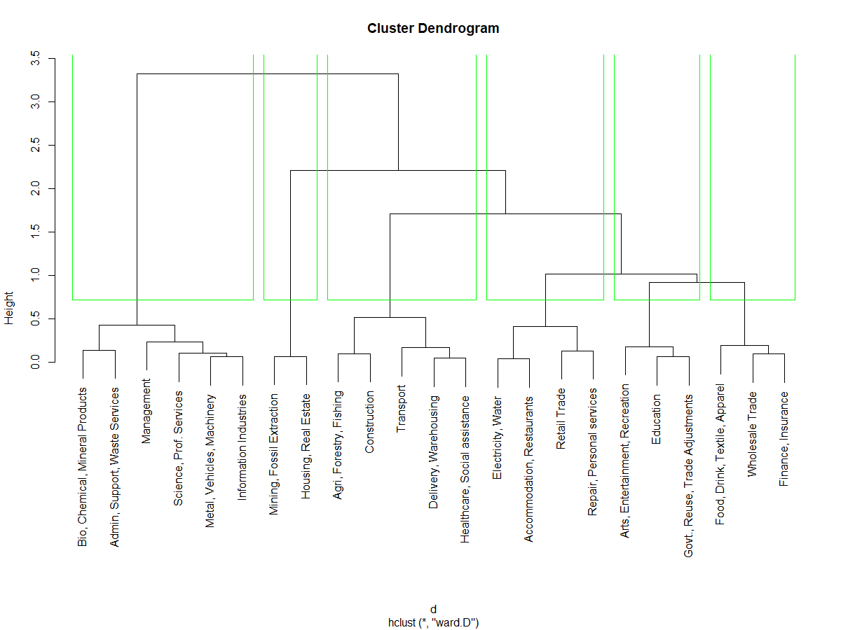
group | order | agg_code | agg_desc | Equipment | IPP | Structures
1 | 1 | 32 | Bio, Chemical, Mineral Products | 0.34984602145 | 0.56085691769 | 0.089297060866
1 | 2 | 56 | Admin, Support, Waste Services | 0.4278180103 | 0.47061564658 | 0.10156634312
1 | 3 | 55 | Management | 0.14915936753 | 0.66841993273 | 0.18242069974
1 | 4 | 54 | Science, Prof. Services | 0.26037009444 | 0.68932307661 | 0.050306828944
1 | 5 | 33 | Metal, Vehicles, Machinery | 0.28157118256 | 0.64085427583 | 0.077574541611
1 | 6 | 51 | Information Industries | 0.26038845301 | 0.61874628973 | 0.12086525726
2 | 1 | 21 | Mining, Fossil Extraction | 0.16023771693 | 0.022592689927 | 0.81716959314
2 | 2 | 53 | Housing, Real Estate | 0.13189254598 | 0.0047066075286 | 0.86340084649
3 | 1 | 11 | Agri, Forestry, Fishing | 0.81188500995 | 0.0046040309104 | 0.18351095914
3 | 1 | 23 | Construction | 0.84756809476 | 0.039155698428 | 0.11327620681
3 | 3 | 48 | Transport | 0.67447462509 | 0.036476706352 | 0.28904866856
3 | 4 | 49 | Delivery, Warehousing | 0.62296623961 | 0.15116166268 | 0.22587209771
3 | 5 | 62 | Healthcare, Social assistance | 0.63140993927 | 0.11871716546 | 0.24987289528
4 | 1 | 22 | Electricity, Water | 0.45441970309 | 0.048244936818 | 0.49733536009
4 | 2 | 72 | Accommodation, Restaurants | 0.48248271134 | 0.027953002342 | 0.48956428632
4 | 3 | 4X | Retail Trade | 0.46438331337 | 0.17418842631 | 0.36142826032
4 | 4 | 81 | Repair, Personal services | 0.37318269339 | 0.23504144454 | 0.39177586207
5 | 1 | 71 | Arts, Entertainment, Recreation | 0.25677602336 | 0.45183984041 | 0.29138413623
5 | 2 | 61 | Education | 0.28148501296 | 0.34070703101 | 0.37780795604
5 | 3 | S0 | Govt., Reuse, Trade Adjustments | 0.23913677117 | 0.37819141691 | 0.38267181192
6 | 1 | 31 | Food, Drink, Textile, Apparel | 0.56237550187 | 0.24121513438 | 0.19640936376
6 | 2 | 42 | Wholesale Trade | 0.48517103712 | 0.39353095886 | 0.12129800402
6 | 3 | 52 | Finance, Insurance | 0.50701709964 | 0.32665210607 | 0.1663307943

 | REDO CLUSTERING

Uk_typexagg_2013
group | order | agg_code | agg_desc | Equipment | IPP | Structures
1 | 2 | 54 | Science, Prof. Services | 0.26037009444 | 0.68932307661 | 0.050306828944 | This is the grouping order from the prior (incorrect) code results...
1 | 3 | 33 | Metal, Vehicles, Machinery | 0.28157118256 | 0.64085427583 | 0.077574541611
1 | 4 | 51 | Information Industries | 0.26038845301 | 0.61874628973 | 0.12086525726
1 | 5 | 55 | Management | 0.14915936753 | 0.66841993273 | 0.18242069974
2 | 1 | 71 | Arts, Entertainment, Recreation | 0.25677602336 | 0.45183984041 | 0.29138413623
2 | 2 | S0 | Govt., Reuse, Trade Adjustments | 0.23913677117 | 0.37819141691 | 0.38267181192
2 | 3 | 61 | Education | 0.28148501296 | 0.34070703101 | 0.37780795604
3 | 1 | 32 | Bio, Chemical, Mineral Products | 0.34984602145 | 0.56085691769 | 0.089297060866
3 | 2 | 56 | Admin, Support, Waste Services | 0.4278180103 | 0.47061564658 | 0.10156634312
3 | 4 | 42 | Wholesale Trade | 0.48517103712 | 0.39353095886 | 0.12129800402
3 | 5 | 52 | Finance, Insurance | 0.50701709964 | 0.32665210607 | 0.1663307943
3 | 6 | 31 | Food, Drink, Textile, Apparel | 0.56237550187 | 0.24121513438 | 0.19640936376
4 | 1 | 21 | Mining, Fossil Extraction | 0.16023771693 | 0.022592689927 | 0.81716959314
4 | 2 | 53 | Housing, Real Estate | 0.13189254598 | 0.0047066075286 | 0.86340084649
5 | 1 | 22 | Electricity, Water | 0.45441970309 | 0.048244936818 | 0.49733536009
5 | 2 | 49 | Delivery, Warehousing | 0.62296623961 | 0.15116166268 | 0.22587209771
5 | 3 | 72 | Accommodation, Restaurants | 0.48248271134 | 0.027953002342 | 0.48956428632
5 | 4 | 4X | Retail Trade | 0.46438331337 | 0.17418842631 | 0.36142826032
5 | 5 | 81 | Repair, Personal services | 0.37318269339 | 0.23504144454 | 0.39177586207
6 | 1 | 23 | Construction | 0.84756809476 | 0.039155698428 | 0.11327620681
6 | 2 | 11 | Agri, Forestry, Fishing | 0.81188500995 | 0.0046040309104 | 0.18351095914
6 | 3 | 62 | Healthcare, Social assistance | 0.63140993927 | 0.11871716546 | 0.24987289528
6 | 4 | 48 | Transport | 0.67447462509 | 0.036476706352 | 0.28904866856

 | REDO CLUSTERING

